Sheet1
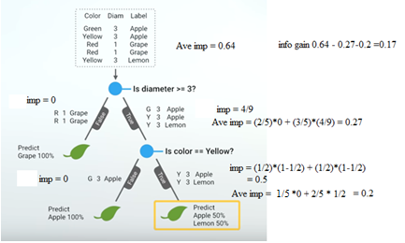
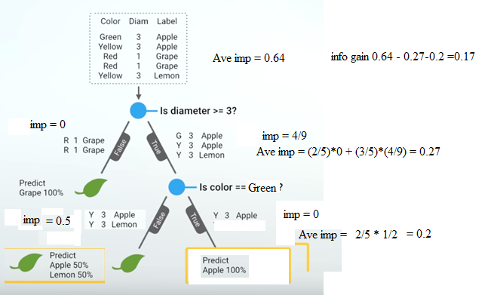
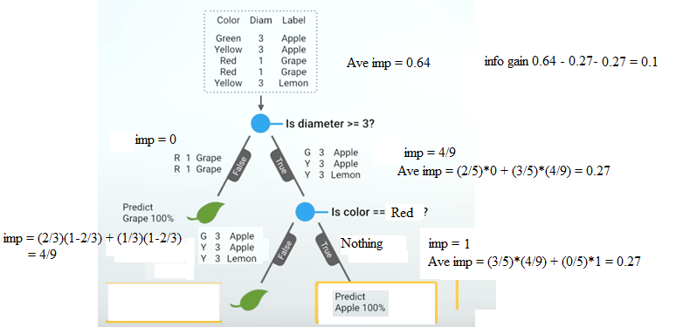
How to build decision tree ? If taking " is color green ? " as first branch, what is information gain?

 | Init: Impurity of root
 |  | imp = P(A)*(1-P(A)) + P(G)*(1-P(G)) + P(L)(1-P(L))
 |  | = (2/5)*(1-2/5) + (2/5)*(1-2/5) + (1/5)*(1-1/5)
 |  | = (2/5)*(3/5) + (2/5)*(3/5) + (1/5)*(4/5)
 |  | = (6/25) + (6/25) + (4/25) = 16/25 = 0.64

 |  | Ave imp = 5/5 * imp = 5/5 * 0.64 = 0.64

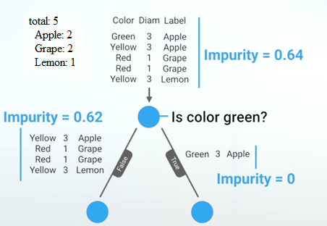

 | Level 1: Impurity
 |  | Left subtree :
 |  |  | imp = P(A)*(1-P(A)) + P(G)*(1-P(G)) + P(L)(1-P(L))
 |  |  | = (1/4)*(1-1/4) + (2/4)*(1-2/4) + (1/4)*(1-1/4)
 |  |  | = (1/4)*(3/4) + (2/4)*(2/4) + (1/4)*(3/4)
 |  |  | = 3/16 + 4/16 + 3/16 = 10/16 = 0.625

 |  | Right subtree:
 |  |  | imp = P(A)*(1-P(A))
 |  |  | = (1/1) * (1-1/1) = 0

 |  | Ave imp = 4/5 * 0.625 + 1/5 * 0 = 0.5

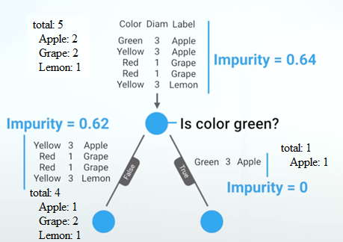

 | Information Gain in 1 levels:
 |  | Info Gain = Ave Imp. of Level 1 - Ave Imp. of Level 2
 |  | = 0.64 - 0.5 = 0.14

 | Need to take max total information gain tree structure

If taking " is diameter >= 3 ? " as first branch, what is information gain?

 | init : Impurity of root
 |  | imp = P(A)*(1-P(A)) + P(G)*(1-P(G)) + P(L)(1-P(L))
 |  | = (2/5)*(1-2/5) + (2/5)*(1-2/5) + (1/5)*(1-1/5)
 |  | = (2/5)*(3/5) + (2/5)*(3/5) + (1/5)*(4/5)
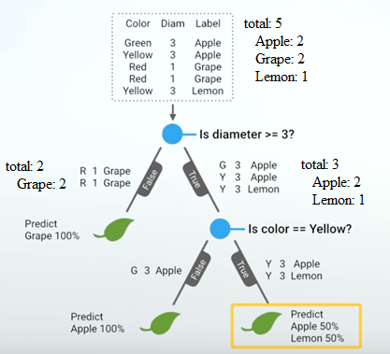
 |  | = (6/25) + (6/25) + (4/25) = 16/25 = 0.64

 |  | Ave imp = 5/5 * imp = 5/5 * 0.64 = 0.64

 | Level 1: Impurity
 |  | Left subtree :
 |  |  | imp = P(G)*(1-P(G))
 |  |  | = (2/2) * (1-2/2) = 0

 |  | Right subtree:
 |  |  | imp = P(A)*(1-P(A)) + P(L)(1-P(L))
 |  |  | = (2/3)*(1-2/3) + (1/3)*(1-1/3)
 |  |  | = (2/3)*(1/3) + (1/3)*(2/3)
 |  |  | = 2/9 + 2/9 = 4/9

 |  | Ave imp = 2/5 * 0 + 3/5 * 4/9 = 4/15 = 0.27

 | Information Gain in 2 levels:
 |  | Info Gain = Ave Imp. of Level 1 - Ave Imp. of Level 2
 |  | = 0.64 - 0.27 = 0.37

If taking " is color yellow ? " as first branch, what is information gain?

 | Level 1: Impurity of root
 |  | imp = P(A)*(1-P(A)) + P(G)*(1-P(G)) + P(L)(1-P(L))
 |  | = (2/5)*(1-2/5) + (2/5)*(1-2/5) + (1/5)*(1-1/5)
 |  | = (2/5)*(3/5) + (2/5)*(3/5) + (1/5)*(4/5)
 |  | = (6/25) + (6/25) + (4/25) = 16/25 = 0.64

 |  | Ave imp = 5/5 * imp = 5/5 * 0.64 = 0.64

 | Level 2: Impurity
 |  | Left subtree :
 |  |  | imp = P(A)*(1-P(A)) + P(G)*(1-P(G))
 |  |  | = (1/3) * (1-1/3) + (2/3) * (1-2/3) = 1/3*2/3 + 2/3*1/3 = 4/9

 |  | Right subtree:
 |  |  | imp = P(A)*(1-P(A)) + P(L)(1-P(L))
 |  |  | = (1/2)*(1-1/2) + (1/2)*(1-1/2)
 |  |  | = (1/2)*(1/2) + (1/2)*(1/2)
 |  |  | = 1/4 + 1/4 = 1/2

 |  | Ave imp = 3/5 * 4/9 + 2/5 * 1/2 = 4/15 = 0.47 |  | 0.27 + 0.2 = 0.47

 | Information Gain in 2 levels:
 |  | Info Gain = Ave Imp. of Level 1 - Ave Imp. of Level 2
 |  | = 0.64 - 0.47 = 0.17

What about "is color red?" ?
 | Info gain = 0.37

What about "is diameter >= 1?" ?
 | Info gain = 0

Go to next level by different branch. And compare different info gains

